v1
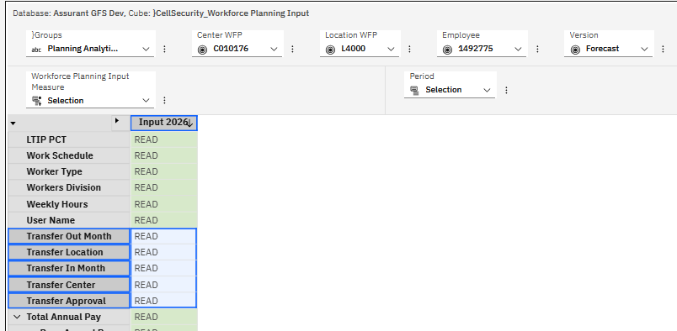
Security Testing - Chore Updates

1) | Production Security:

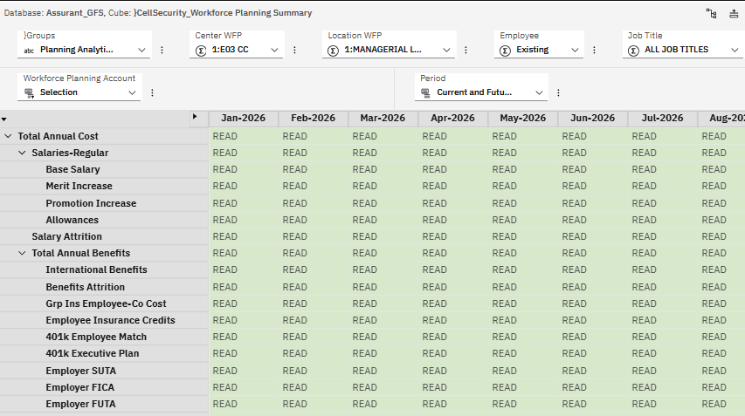
 | Summary security:
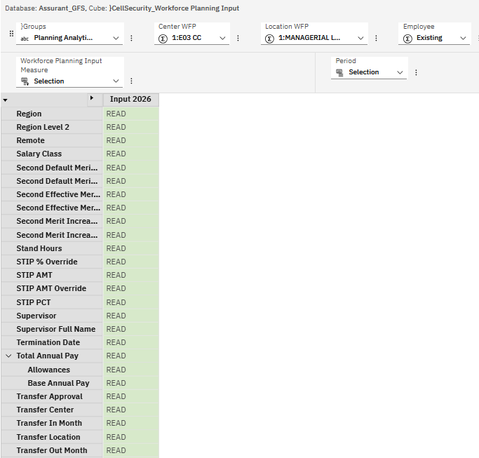

 | Level 0 Security:
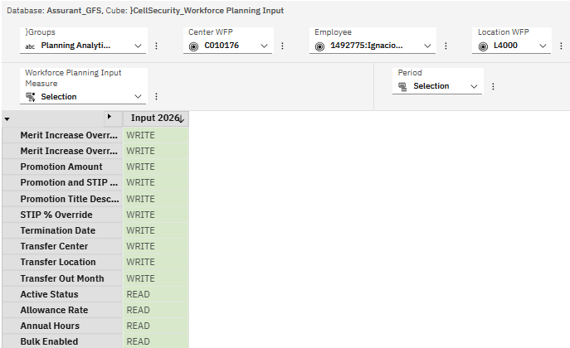
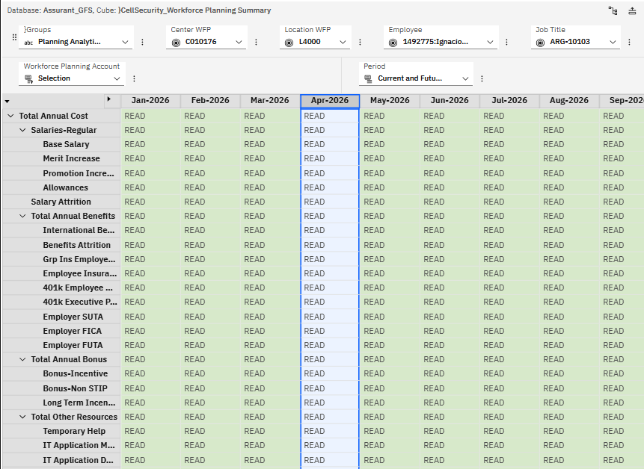

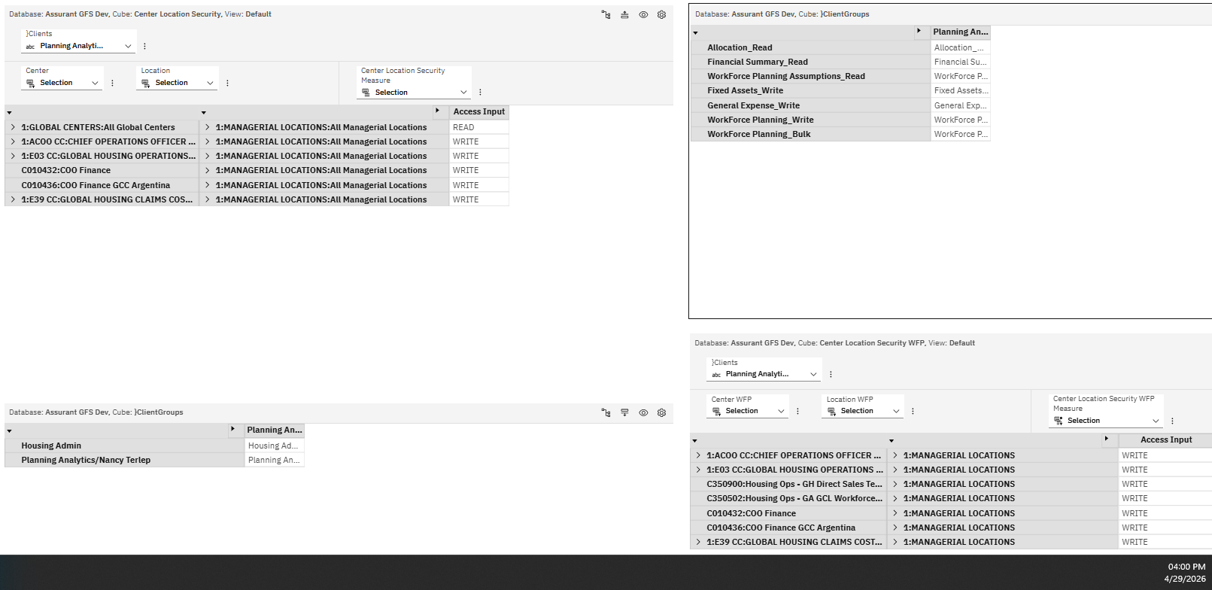
2) | Dev GFS:

 | Summary access:
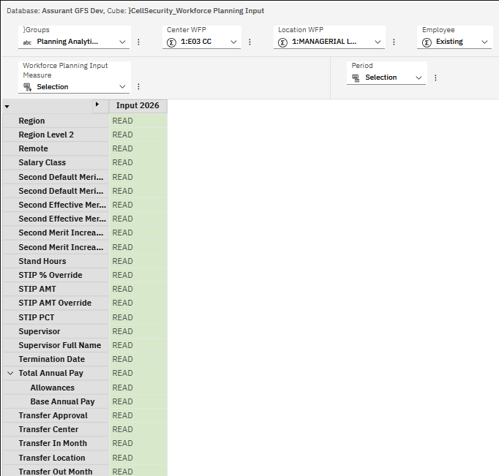
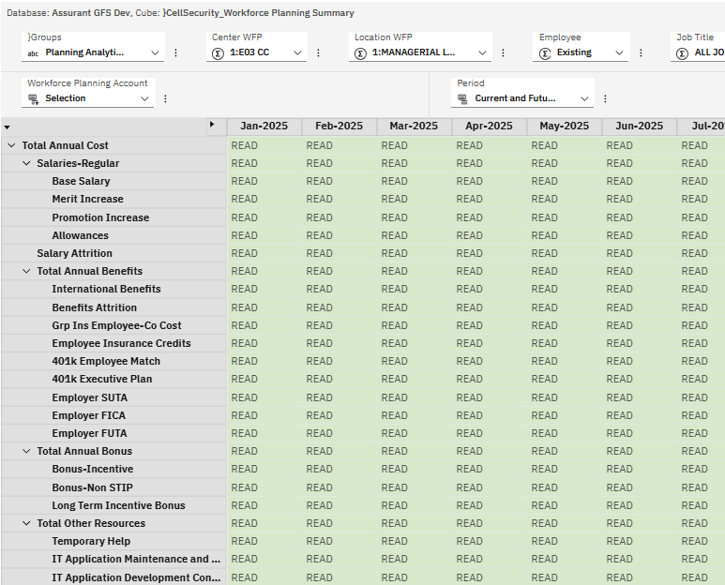

FAIL | Level 0 Security:

v2
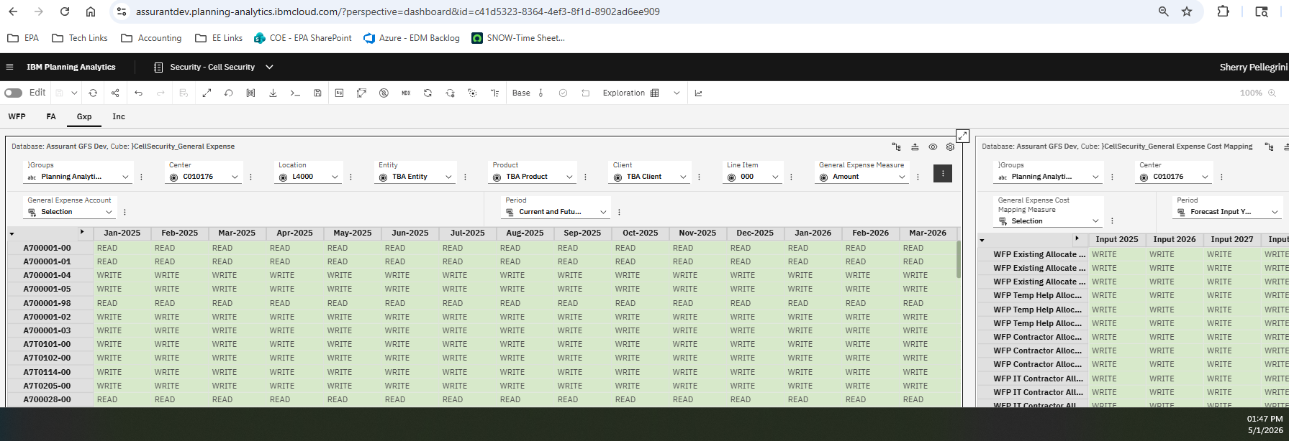
Security Testing - Chore Updates |  | FAIL |  | FAIL

1) | Production Security: |  | Production Security:

 | Summary security: |  | Summary security:

 | Level 0 Security: |  | Level 0 Security:
 | WFP: |  | WFP:

 | Gen Exp: |  | Gen Exp:

2) | Dev GFS: |  | Dev GFS:
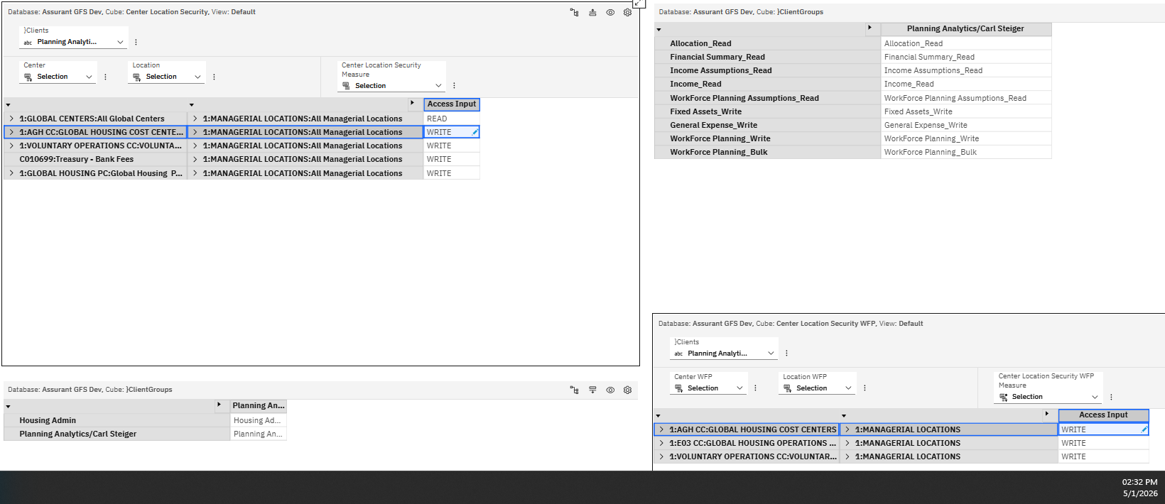

 | Summary access: | FAIL | Summary access: | FAIL

 | Level 0 Security: |  | Level 0 Security:
 | WFP: | PASS | WFP: | FAIL
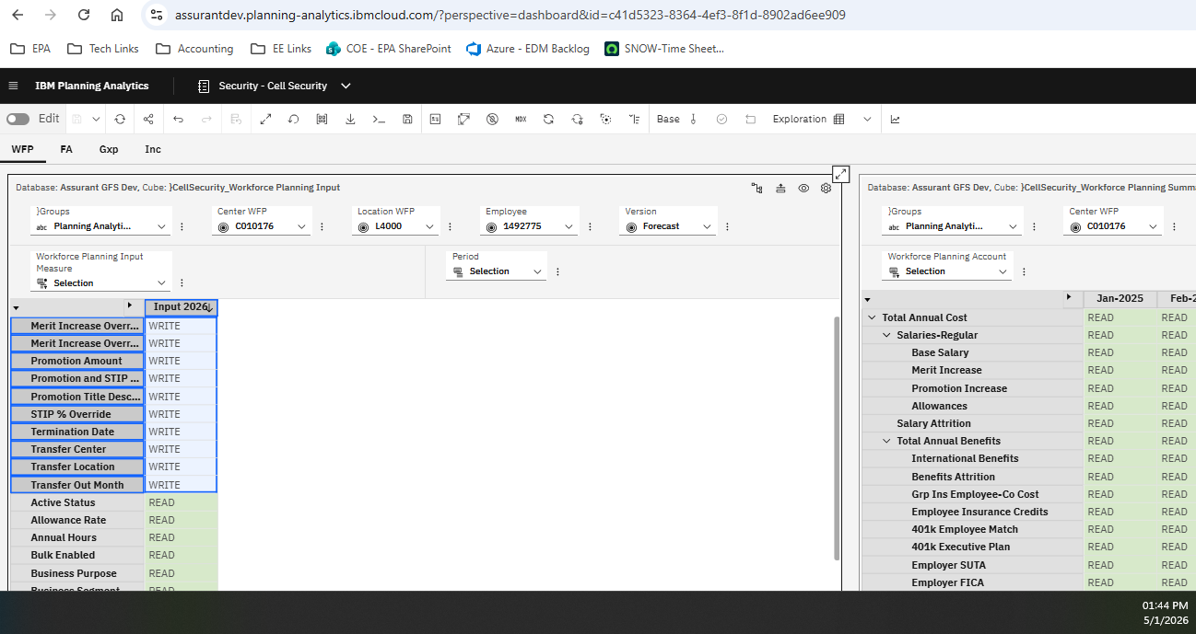

 | Gen Exp: | PASS | Gen Exp: | FAIL

